Nuclear
Source: https://www.clp.com.hk/en/community-and-environment/green-tools/energy-costs

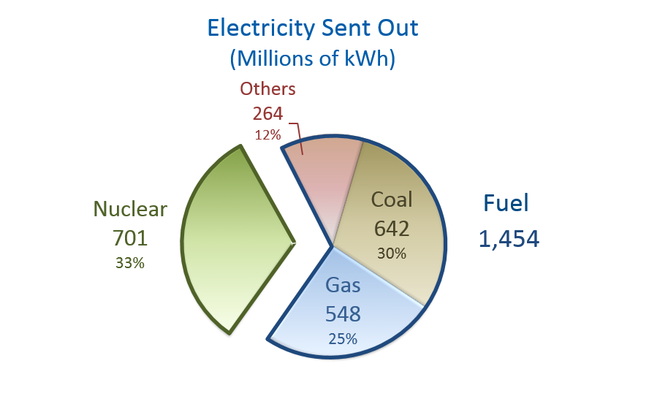

 | Total energy nuclear: |  | 701000000 | kWh
 |  |  | 2.3919112908E+12 | BTU

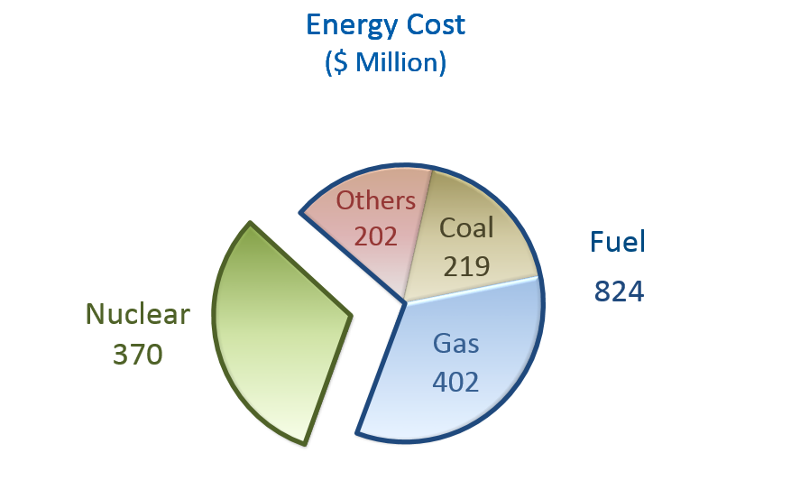

 | Energy cost nuclear: |  | 370000000 | HK$
 |  |  | 47278303.092 | US$

 |  | price per BTU: | 1.9765909913E-05
 |  | for final electricity

 |  | A nuclear power plant has an efficiency of about: |  |  | 33.00% | Source: | http://holbert.faculty.asu.edu/eee463/NuclearPowerPlants.pdf

 | à | price per BTU: | 6.5227502712E-06
 |  | for primary energy

 |  | this is about 9 times of the price of nuclear in the US, a substantial difference.
 |  | This might be because CLP has to lease the power from a Chinese power plant (Daya bay) and has to pay for transmission costs across the border.

